Scratches on Floor Panel
1
5
9
Incoming
Sub Assy of door Structure
Sub Assy of Door Panel
Door merging
 |  |  |  |  |  |  |  |  |  |  |  |  |  | DEFECT CONTROL A3 SHEET |  |  |  |  |  |  |  |  |  | Date : |  | 10.12.2021 | 
 | Problem Description: |  |  | Spot dent on Door Panel |  |  |  |  |  |  |  |  |  |  |  | PROCESS FLOW : |  | Where |  |  | Fnal PDI | Supplier's Name : |  | Surin Automotive pvt. Ltd.
 | Reported By : |  |  | Ashok Leyland |  |  |  |  | Defective Qty |  | 4 |  |  |  |  |  |  | Repeat |  | Ist Time | 2nd Time | Sub Supplier's Name : |  | --------
 | Date of Occurrence : |  |  | 10.12.2021 |  |  |  |  | Effected Model |  | All Model |  |  |  |  |  |  | Root Cause (5M analysis) |  | Material | Method | Prepared By | Verified By |  | Approved By
 | Part Name : |  |  | G-45 Cabin |  |  |  |  | Assy /Drg. No. |  | - |  |  |  |  |  |  |  |  | Machine | Measurment | Gufran | Chandan Singh Rawat |  | Divyansh Saxena |  | NCR No-1
PDI
Grinding
Panelling
 | GRR / Invoice No. |  |  |  |  |  |  |  |  |  |  |  |  |  |  |  |  |  |  | Man
2
9
10
 | Actual Defect Sketch/Photo |  |  |  |  |  |  |  |  |  |  |  |  |  |  |  |  | Analysis Result
6
 | 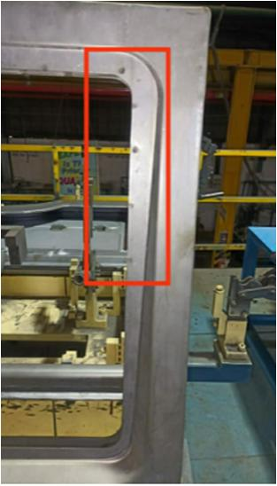 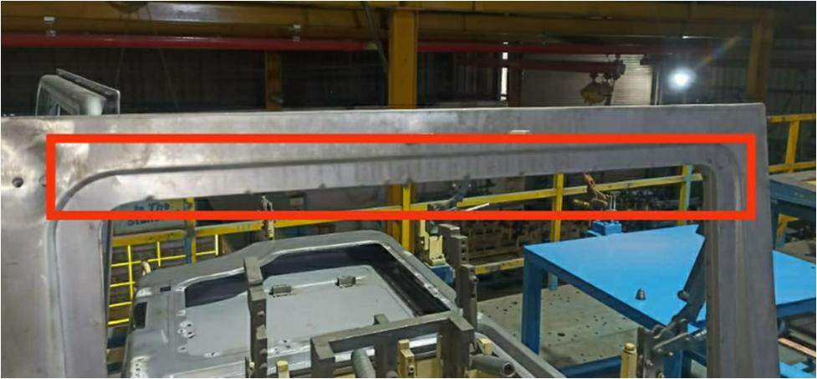 |  |  |  |  |  |  |  |  |  |  |  |  |  |  | Cause and Effect diagram |  | No fixture was available for door panel merging.
Spot dent on Door Panel
MAN
MATERIAL
METHOD
MACHINE
Operator not following WIS
Gun tip material not as per Spec
VOC not shared with operator
Rusty material used
Less thickness material used

Operator was not aware about problem
Fatigue level high
Excess oil coming in parts
Less skill operator
Dented parts
being used
11
Copper plate can not used manually
Pressure
fluctuation
Spotting sequence
not followed
 |  |  |  |  |  |  |  |  |  |  |  |  |  |  |  |  |  | Sl No | Countermeasure Taken |  |  |  |  |  |  | Date | Action Centre
Parameter
not as per spec
Electrode force
was more than spec
Spot overlapping
No proper fixture was available for merging
 |  |  |  |  |  |  |  |  |  |  |  |  |  |  |  |  |  | 1 | Fixture made for Door panel merging. |  |  |  |  |  |  | 10.01.2021 | Cabin Weld Shop.

3
7
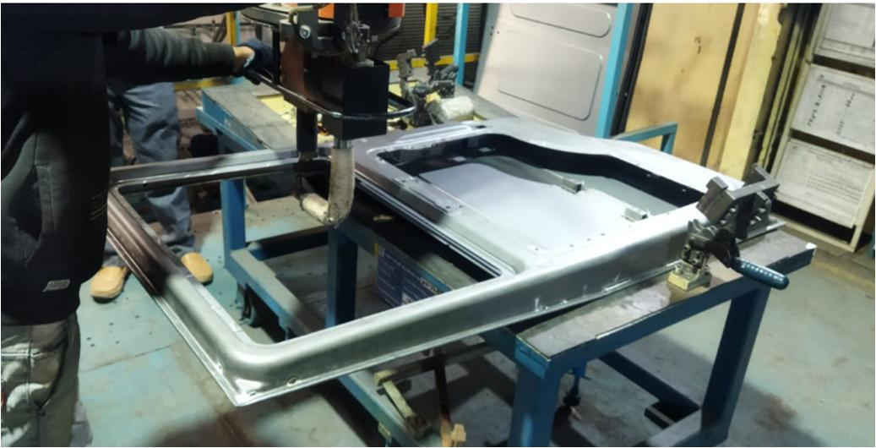
 | IMMEDIATE ACTION |  |  |  |  |  |  |  |  |  |  |  |  |  | Nonconforming Process Sketch / Photo |  |  | 2 | Spring loaded Copper plate provided in fixture to eliminate spot dent issue. |  |  |  |  |  |  | 10.01.2021 | Cabin Weld Shop.
 | Parts Checked at |  | Date |  | OK |  | NG | Identification no. | Remarks
 |  |  |  |  |  |  |  |  |  |  |  |  |  |  |  |  |  | 3 | Training provided to operator for proper use of Fixture. |  |  |  |  |  |  | 10.01.2021 | Cabin Weld Shop.
 | On line |  | 10.12.2021 |  | 5 |  | 5 | not required | Contributing to 2 DPV ( Defect per Vehicle ) in ALVES.
12
 | Store |  | 10.12.2021 |  | 0 |  | 0
 | Supplier end |  | 10.12.2021 |  | 0 |  | 0
 | Parts in transit |  | 10.12.2021 |  | 2 |  | 2 |  |  |  |  |  |  |  |  |  |  | Sl No | Process Change/ System Change/ Do You Remember |  |  |  |  |  |  | Date | Action Centre
4
 | Parts at Customer End |  | 10.12.2021 |  | 5 |  | 0
Other CRITICAL information for non-conforming process |  |  |  |  |  |  |  |  |  |  |  |  |  |  |  |  |  | 1 | OPL displayed at line |  |  |  |  |  |  | 10.01.2021 | Surin Automotive
 |  |  |  |  |  |  |  |  |  |  |  |  |  |  |  |  |  | 2 | WIS updated & displayed in station. |  |  |  |  |  |  | 15.01.2021 | Surin Automotive
 | Sl No | Check point |  |  |  |  |  |  |  | status (Y/N) |  | comments
 | 1 | Is latest Drawing Available |  |  |  |  |  |  |  | Y |  |  |  |  |  |  |  | 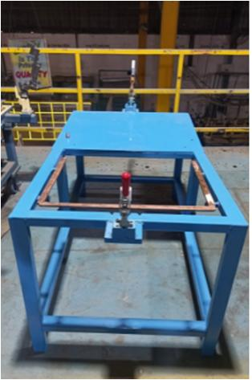 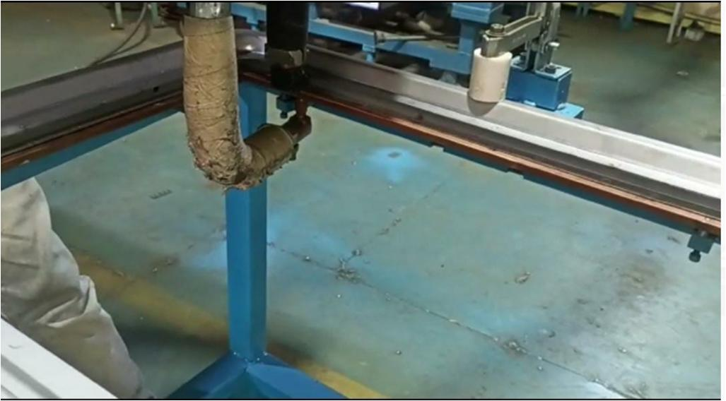 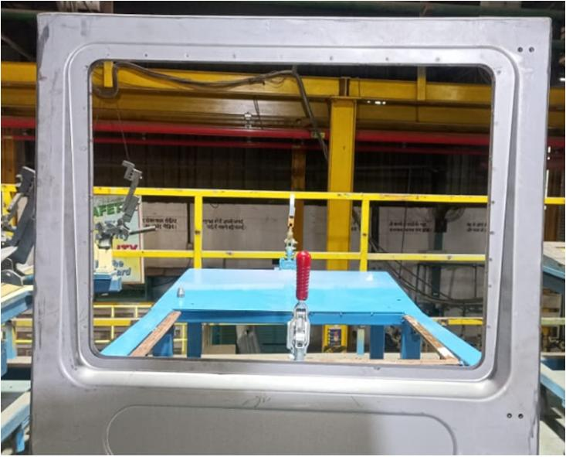 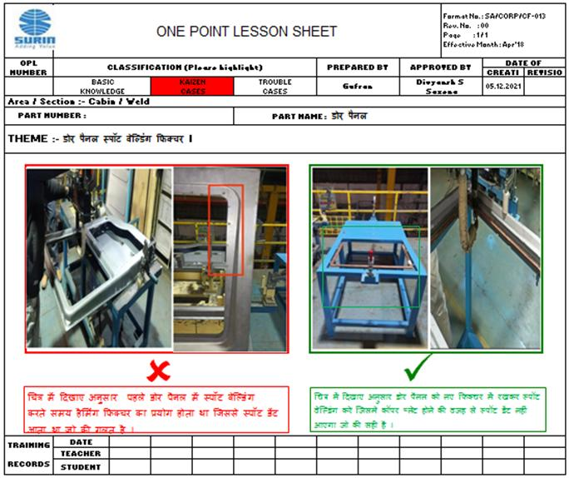
 | 2 | Is SOP / WI Available ? |  |  |  |  |  |  |  | Y
 | 3 | Is the Operator Trained ? |  |  |  |  |  |  |  | Y
 | 4 | Are Measuring Equipment / Instruments calibrated ? |  |  |  |  |  |  |  | Y
 | 5 | In Process Stage Inspection Status ? |  |  |  |  |  |  |  | N |  | Earlier this point was not availablein checksheet
 | 6 | Inspection Report Verification ? |  |  |  |  |  |  |  | Y
 | 5 WHY ANALYSIS
8
 | Step |  |  |  |  | 1st WHY |  |  |  |  |  |  | 2nd WHY |  |  |  | 3rd WHY |  |  | 4th WHY |  |  |  | 5th WHY
 | WHY HAPPENED |  |  |  |  | Spot dent on Door panel |  |  |  |  |  |  | No copper plate is being used during spot welding on Door Panel |  |  |  | No fesibility was available for copper plate |  |  | Hamming fixture is used for merging door panel Assy. |  |  |  | No fixture was available for Door panel merging.

 | WHY NOT DETECTED |  |  |  |  | Point was not available in checksheet

 | Date of Issue : Revision No. : |  |  | 15.01.21

